Design Build - Download Stats
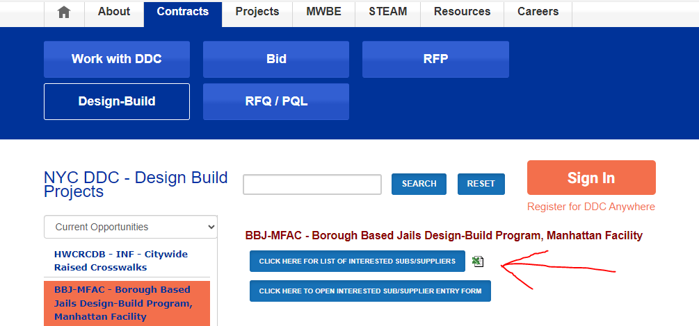
Project ID | Project Name | File Description | Downloaded On | Downloaded By | Company Name | Email
BBJ-MFAC | Borough Based Jails Design-Build Program, Manhattan Facility | Request for Qualifications for BBJ-MFAC Manhattan Facility .pdf | 9/13/2023 4:24:38 PM | Brooke Weinstein | Dewberry Engineers Inc. | bweinstein@dewberry.com
BBJ-MFAC | Borough Based Jails Design-Build Program, Manhattan Facility | Request for Qualifications for BBJ-MFAC Manhattan Facility .pdf | 9/13/2023 4:25:00 PM | Denis Boylan | Gilbane | dboylan@gilbaneco.com
BBJ-MFAC | Borough Based Jails Design-Build Program, Manhattan Facility | Request for Qualifications for BBJ-MFAC Manhattan Facility .pdf | 9/13/2023 4:26:25 PM | Gia Mainiero | Dattner Architects | gmainiero@dattner.com
BBJ-MFAC | Borough Based Jails Design-Build Program, Manhattan Facility | Request for Qualifications for BBJ-MFAC Manhattan Facility .pdf | 9/13/2023 4:27:44 PM | Joseph Aliotta | Perkins Eastman Architects DPC | j.aliotta@perkinseastman.com
BBJ-MFAC | Borough Based Jails Design-Build Program, Manhattan Facility | Request for Qualifications for BBJ-MFAC Manhattan Facility .pdf | 9/13/2023 4:29:08 PM | Damaris Corona-Tejada | The LiRo Group | corona-tejadad@liro.com
BBJ-MFAC | Borough Based Jails Design-Build Program, Manhattan Facility | Request for Qualifications for BBJ-MFAC Manhattan Facility .pdf | 9/13/2023 4:38:22 PM | Uzma Ahmad | Lozier, Inc | uahmad@lozierinc.com
BBJ-MFAC | Borough Based Jails Design-Build Program, Manhattan Facility | Request for Qualifications for BBJ-MFAC Manhattan Facility .pdf | 9/13/2023 4:47:19 PM | Daniel Lutz | HDR | daniel.lutz@hdrinc.com
BBJ-MFAC | Borough Based Jails Design-Build Program, Manhattan Facility | Request for Qualifications for BBJ-MFAC Manhattan Facility .pdf | 9/13/2023 5:22:50 PM | Josh Hulen | SLSCO, Ltd. | jhulen@slsco.com
BBJ-MFAC | Borough Based Jails Design-Build Program, Manhattan Facility | Request for Qualifications for BBJ-MFAC Manhattan Facility .pdf | 9/13/2023 5:24:55 PM | Joseph McKenna | CGL Companies/Facility Maintenance | jmckenna@cglcompanies.com
BBJ-MFAC | Borough Based Jails Design-Build Program, Manhattan Facility | Request for Qualifications for BBJ-MFAC Manhattan Facility .pdf | 9/13/2023 5:26:03 PM | Chantell Stanek | Tutor Perini Corporation | 23cstanek@gmail.com
BBJ-MFAC | Borough Based Jails Design-Build Program, Manhattan Facility | Request for Qualifications for BBJ-MFAC Manhattan Facility .pdf | 9/13/2023 5:31:48 PM | MICHAEL ROSENBERG | M.R. Secure Sales LLC | mrosenberg@mrsecuresales.com
BBJ-MFAC | Borough Based Jails Design-Build Program, Manhattan Facility | Request for Qualifications for BBJ-MFAC Manhattan Facility .pdf | 9/13/2023 5:33:42 PM | vinod palal | GOLDMAN COPELAND ASSOCIATES, ENGINEERS, P.C. | vpalal@goldmancopeland.com
BBJ-MFAC | Borough Based Jails Design-Build Program, Manhattan Facility | Request for Qualifications for BBJ-MFAC Manhattan Facility .pdf | 9/13/2023 5:49:08 PM | Atena Vladu | Langan | avladu@langan.com
BBJ-MFAC | Borough Based Jails Design-Build Program, Manhattan Facility | Request for Qualifications for BBJ-MFAC Manhattan Facility .pdf | 9/14/2023 10:10:52 AM | Michael Michalski | Professional Systems Engineering, LLC | pse@profsyseng.com
BBJ-MFAC | Borough Based Jails Design-Build Program, Manhattan Facility | Request for Qualifications for BBJ-MFAC Manhattan Facility .pdf | 9/14/2023 10:20:42 AM | Michael Vetri | Prismatic Development Corp | estimating@prisdev.com
BBJ-MFAC | Borough Based Jails Design-Build Program, Manhattan Facility | Request for Qualifications for BBJ-MFAC Manhattan Facility .pdf | 9/14/2023 10:37:41 AM | Dominick DeRobertis | Tetra Tech | dderobertis@cosentini.com
BBJ-MFAC | Borough Based Jails Design-Build Program, Manhattan Facility | Request for Qualifications for BBJ-MFAC Manhattan Facility .pdf | 9/14/2023 11:38:00 AM | Robert Anderson | D&B Engineers and Architects, P.C. | randerson@db-eng.com
BBJ-MFAC | Borough Based Jails Design-Build Program, Manhattan Facility | Request for Qualifications for BBJ-MFAC Manhattan Facility .pdf | 9/14/2023 12:04:12 AM | Mark Bollettieri | Hatfield Group | m.a.r.kbollettieri@gmail.com
BBJ-MFAC | Borough Based Jails Design-Build Program, Manhattan Facility | Request for Qualifications for BBJ-MFAC Manhattan Facility .pdf | 9/14/2023 2:01:21 PM | Frank Greene | 555 | frank.greene@stvinc.com
BBJ-MFAC | Borough Based Jails Design-Build Program, Manhattan Facility | Request for Qualifications for BBJ-MFAC Manhattan Facility .pdf | 9/14/2023 2:57:32 AM | Brannon Cody | IMS | ims_bids@construction.com
BBJ-MFAC | Borough Based Jails Design-Build Program, Manhattan Facility | Request for Qualifications for BBJ-MFAC Manhattan Facility .pdf | 9/14/2023 3:32:54 PM | Diane Wilde | Shenoy Engineering, PC | diane@shenoyengineers.com
BBJ-MFAC | Borough Based Jails Design-Build Program, Manhattan Facility | Request for Qualifications for BBJ-MFAC Manhattan Facility .pdf | 9/14/2023 6:34:58 AM | Carolyn Cioffari | Jaros, Baum & Bolles | cioffaric@jbb.com
BBJ-MFAC | Borough Based Jails Design-Build Program, Manhattan Facility | Request for Qualifications for BBJ-MFAC Manhattan Facility .pdf | 9/14/2023 8:02:33 AM | Marion Adams | Loring Consulting Engineers, Inc. | MAdams@loringengineers.com
BBJ-MFAC | Borough Based Jails Design-Build Program, Manhattan Facility | Request for Qualifications for BBJ-MFAC Manhattan Facility .pdf | 9/14/2023 8:56:23 AM | Alicia Petrulis | NV5 | alicia.petrulis@nv5.com
BBJ-MFAC | Borough Based Jails Design-Build Program, Manhattan Facility | Request for Qualifications for BBJ-MFAC Manhattan Facility .pdf | 9/14/2023 9:32:01 AM | Sam Hodgkinson | Lendlease | sam.hodgkinson@lendlease.com
BBJ-MFAC | Borough Based Jails Design-Build Program, Manhattan Facility | Request for Qualifications for BBJ-MFAC Manhattan Facility .pdf | 9/15/2023 2:34:03 PM | Johanna Arbona | Infrastructure Engineering Inc. | jarbona@infrastructure-eng.com
BBJ-MFAC | Borough Based Jails Design-Build Program, Manhattan Facility | Request for Qualifications for BBJ-MFAC Manhattan Facility .pdf | 9/15/2023 5:12:45 AM | DOM PONSADES | Thornton Tomasetti | dponsades@thorntontomasetti.com
BBJ-MFAC | Borough Based Jails Design-Build Program, Manhattan Facility | Request for Qualifications for BBJ-MFAC Manhattan Facility .pdf | 9/15/2023 6:14:03 AM | Pooja Ramakrishna | Setty & Associates, Ltd. PC | pooja.ramakrishna@setty.com
BBJ-MFAC | Borough Based Jails Design-Build Program, Manhattan Facility | Request for Qualifications for BBJ-MFAC Manhattan Facility .pdf | 9/15/2023 9:08:18 AM | Zachary Katznelson | Fund for the City of New York | zachary@morejustnyc.org
BBJ-MFAC | Borough Based Jails Design-Build Program, Manhattan Facility | Request for Qualifications for BBJ-MFAC Manhattan Facility .pdf | 9/19/2023 3:39:54 PM | Kaveh Samimi | EnTech Engineering PC | ksamimi@entech.nyc
BBJ-MFAC | Borough Based Jails Design-Build Program, Manhattan Facility | Request for Qualifications for BBJ-MFAC Manhattan Facility .pdf | 9/20/2023 1:41:11 PM | Rafael Stein | Urbahn Architects | steinr@urbahn.com
BBJ-MFAC | Borough Based Jails Design-Build Program, Manhattan Facility | Request for Qualifications for BBJ-MFAC Manhattan Facility .pdf | 9/20/2023 2:19:41 PM | Dhara Desai | AEIS LLC | ddesai@aeis.com
BBJ-MFAC | Borough Based Jails Design-Build Program, Manhattan Facility | Request for Qualifications for BBJ-MFAC Manhattan Facility .pdf | 9/22/2023 4:03:02 PM | Daniel Vandersteen | Skanska USA Building | daniel.vandersteen@skanska.com
BBJ-MFAC | Borough Based Jails Design-Build Program, Manhattan Facility | Request for Qualifications for BBJ-MFAC Manhattan Facility .pdf | 9/27/2023 10:06:52 AM | Zachary Tatum | A.G. Consulting Engineering, PC | ztatum@agceng.com
BBJ-MFAC | Borough Based Jails Design-Build Program, Manhattan Facility | Request for Qualifications for BBJ-MFAC Manhattan Facility .pdf | 9/27/2023 2:25:02 PM | Jeff Purtell | DLR Group | jpurtell@dlrgroup.com
BBJ-MFAC | Borough Based Jails Design-Build Program, Manhattan Facility | Request for Qualifications for BBJ-MFAC Manhattan Facility .pdf | 9/27/2023 4:45:48 PM | Barbara Kushner | Armand Corporation | info@armandcorp.com
BBJ-MFAC | Borough Based Jails Design-Build Program, Manhattan Facility | Request for Qualifications for BBJ-MFAC Manhattan Facility .pdf | 9/28/2023 5:36:11 PM | R John | ABC Corp | rjohn@zdlaw.com
BBJ-MFAC | Borough Based Jails Design-Build Program, Manhattan Facility | Request for Qualifications for BBJ-MFAC Manhattan Facility .pdf | 9/28/2023 9:43:22 AM | Molly Sharry | Perkins&Will | molly.sharry@perkinswill.com
BBJ-MFAC | Borough Based Jails Design-Build Program, Manhattan Facility | Request for Qualifications for BBJ-MFAC Manhattan Facility .pdf | 9/29/2023 1:03:55 PM | Andrew Silverman | Infinite Consulting Corp. | asilverman@infiniteconsultingcorp.com
BBJ-MFAC | Borough Based Jails Design-Build Program, Manhattan Facility | Request for Qualifications for BBJ-MFAC Manhattan Facility .pdf | 9/29/2023 1:07:55 PM | Julie Tremblay | AI Engineers | jtremblay@aiengineers.com
BBJ-MFAC | Borough Based Jails Design-Build Program, Manhattan Facility | Request for Qualifications for BBJ-MFAC Manhattan Facility .pdf | 9/29/2023 8:15:35 AM | aeran doron | Hunter Roberts Construction Group | adoron@hrcg.com
BBJ-MFAC | Borough Based Jails Design-Build Program, Manhattan Facility | Request for Qualifications for BBJ-MFAC Manhattan Facility .pdf | 9/30/2023 12:07:12 PM | Pam Boyette | New York Engineers | pboyette@nyc-engineers.com

Please also see the interested subs/suppliers list:

